Mind - Blown
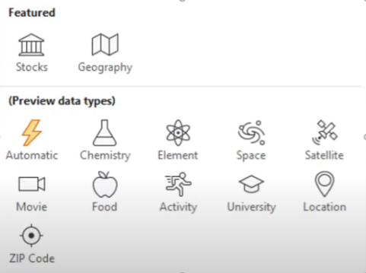
Song | Singer | Fruit | Calories
Thinking Out Loud | Ed Sheeran | Apple | 40

Movie | Actor | A LOT MORE
Fast & Furious | Paul Walker

Planet | No. of moons
Mars | 4

Create a Welcome Message
Challenge: Show a welcome message whenever someone opens this file

Private Sub Workbook_Open()
MsgBox "Hi there, Happy Learning!"
End Sub

Limitations of Excel
Sales by Region
Profit by Products
Day | Product | Region | Sales | Profit | Region | Sales | Product | Profit
Day 1 | Laptops | South | $1,011 | $131 | South | 17541 | Laptops | 2473.51
Day 2 | Mobiles | North | $1,870 | $243 | North | 14708 | Mobiles | 1596.4
Day 3 | Tablets | Central | $2,786 | $362 | Central | 14047 | Tablets | 1948.57
Day 4 | Laptops | South | $3,247 | $422
Day 5 | Mobiles | North | $2,905 | $378
Day 6 | Laptops | Central | $1,478 | $192
Day 7 | Tablets | South | $1,295 | $168
Day 8 | Mobiles | Central | $1,300 | $169
Day 9 | Tablets | North | $2,207 | $287
Day 10 | Laptops | Central | $2,758 | $359
Day 11 | Laptops | South | $2,976 | $387
Day 12 | Mobiles | Central | $2,201 | $286
Day 13 | Laptops | North | $2,443 | $318
Day 14 | Mobiles | Central | $2,182 | $284
Day 15 | Laptops | South | $1,652 | $215
Day 16 | Tablets | North | $3,461 | $450
Day 17 | Tablets | Central | $1,342 | $174
Day 18 | Mobiles | North | $1,822 | $237
Day 19 | Laptops | South | $3,462 | $450
Day 20 | Tablets | South | $3,898 | $507

